EHS30
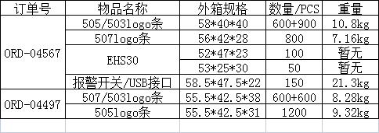
SN
EHS3010451
EHS3010452
EHS3010453
EHS3010454
EHS3010455
EHS3010456
EHS3010457
EHS3010458
EHS3010459
EHS3010460
EHS3010461
EHS3010462
EHS3010463
EHS3010464
EHS3010465
EHS3010466
EHS3010467
EHS3010468
EHS3010469
EHS3010470
EHS3010471
EHS3010472
EHS3010473
EHS3010474
EHS3010475
EHS3010476
EHS3010477
EHS3010478
EHS3010479
EHS3010480
EHS3010481
EHS3010482
EHS3010483
EHS3010484
EHS3010485
EHS3010486
EHS3010487
EHS3010488
EHS3010489
EHS3010490
EHS3010491
EHS3010492
EHS3010493
EHS3010494
EHS3010495
EHS3010496
EHS3010497
EHS3010498
EHS3010499
EHS3010500
EHS3010501
EHS3010502
EHS3010503
EHS3010504
EHS3010505
EHS3010506
EHS3010507
EHS3010508
EHS3010509
EHS3010510
EHS3010511
EHS3010512
EHS3010513
EHS3010514
EHS3010515
EHS3010516
EHS3010517
EHS3010518
EHS3010519
EHS3010520
EHS3010521
EHS3010522
EHS3010523
EHS3010524
EHS3010525
EHS3010526
EHS3010527
EHS3010528
EHS3010529
EHS3010530
EHS3010531
EHS3010532
EHS3010533
EHS3010534
EHS3010535
EHS3010536
EHS3010537
EHS3010538
EHS3010539
EHS3010540
EHS3010541
EHS3010542
EHS3010543
EHS3010544
EHS3010545
EHS3010546
EHS3010547
EHS3010548
EHS3010549
EHS3010550
NO.201
EHS3010551
EHS3010552
EHS3010553
EHS3010554
EHS3010555
EHS3010556
EHS3010557
EHS3010558
EHS3010559
EHS3010560
EHS3010561
EHS3010562
EHS3010563
EHS3010564
EHS3010565
EHS3010566
EHS3010567
EHS3010568
EHS3010569
EHS3010570
EHS3010571
EHS3010572
EHS3010573
EHS3010574
EHS3010575
EHS3010576
EHS3010577
EHS3010578
EHS3010579
EHS3010580
EHS3010581
EHS3010582
EHS3010583
EHS3010584
EHS3010585
EHS3010586
EHS3010587
EHS3010588
EHS3010589
EHS3010590
EHS3010591
EHS3010592
EHS3010593
EHS3010594
EHS3010595
EHS3010596
EHS3010597
EHS3010598
EHS3010599
EHS3010600
NO.202
PS US
NO.203-212

